Sheet3
BUSINESS UNIT | HIGH | LOW | MEDIUM | VERY HIGH
BCP | 235 | 8 | 24 | 36
CCDR | 233 | 10 | 17 | 39
EW | 240 | 7 | 16 | 39
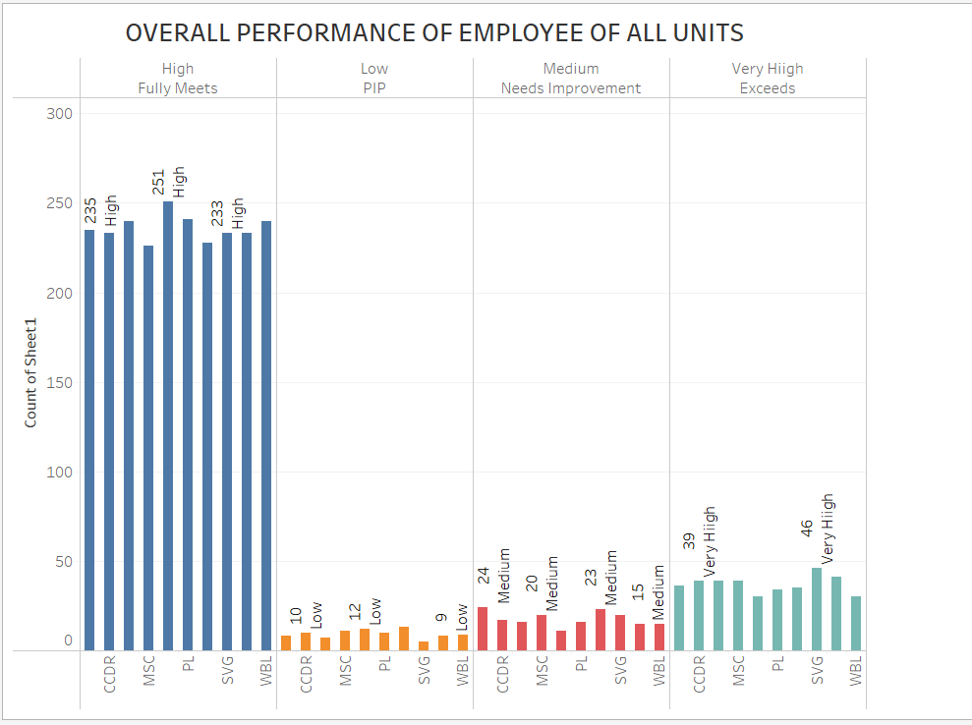
MSC | 226 | 11 | 20 | 39
NEL | 251 | 12 | 11 | 30
PL | 241 | 10 | 14 | 34
PYZ | 228 | 13 | 23 | 35
SVG | 233 | 5 | 20 | 46
TNS | 233 | 8 | 15 | 41
WBL | 240 | 9 | 15 | 30
GRAND TOTAL |  |  |  | 2999

